Sheet1
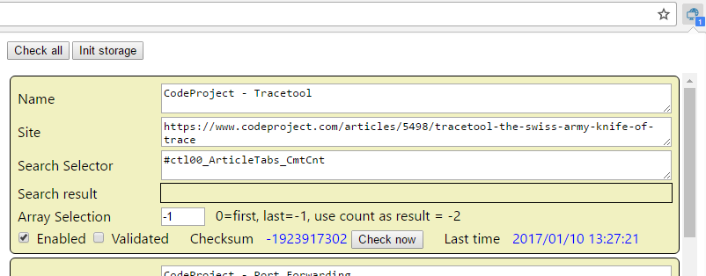

Add current Page

 |  |  |  |  |  | TODO
 |  |  |  |  |  |  | Add a "Add current Page" button
 |  |  |  |  |  |  | Add a "Open" button | chrome.tabs.create({ url: newURL }); | "permissions": ["tabs"],
 |  |  |  |  |  |  | Add a "Delete" button
 |  |  |  |  |  |  | Add a "Schedule period" button
 |  |  |  |  |  |  | Add a Minimize button

Polling Interval | 12 hours | Last time | 1/10/17 | Check now

Enabled | Validated | Checksum | 123456 | Open | Delete

